Sheet1
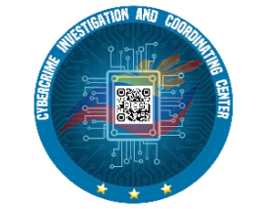
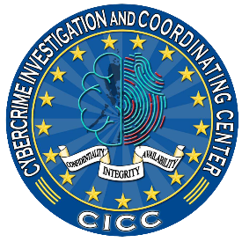

Republic of the Philippines
CYBERCRIME INVESTIGATION AND COORDINATING CENTER
Quezon City (CICC) and Taguig City (National Cybercrime Hub)
www.cicc.gov.ph

REQUISITION AND ISSUE SLIP
Entity Name : CYBERCRIME INVESTIGATION AND COORDINATING CENTER |  |  |  |  |  | Fund Cluster :
Division : |  |  |  |  | Responsibility Center Code :
Office : |  |  |  |  | RIS No. :
Requisition |  |  |  | Stock Available? |  | Issue
Stock No. | Unit | Description | Quantity | Yes | No | Quantity | Remarks

Purpose:

Signature : |  | Requested by: | Approved by: |  | Issued by: |  | Received by:

Printed Name :
Designation :
Date :

